Step 2 - Instructions
Step 2 Identify & Assess Impacts - Instructions

Step 2 Purpose
Identify the impacts of the hazards to the systems and components in the development, and assess the severity of the impact.
Step 2 Instructions
For all hazards identified as "Yes" for exposure from Step 1, complete this step to identify impacts to the development project.
Consider the potential impacts of each hazard to the each system and element within the following “Impact Categories” of the project: architectural systems, civil engineering systems, emergency preparedness, planning and response, human systems, landscape and ecological systems, mechanical and plumbing systems, power and electrical systems, structural systems. Refer to the "Impact Categories" tab as it forms the suggested scope of the resilience assessment.
Assessment teams should use the provided list as a starting point for consideration and add Impact Categories or systems or components as relevant to their project. Project teams can add other systems for evaluation through Steps 2 to 4 by adding these in the "Impact Categories" tab.
Refer also to the 'Resources' tab with the hazards mapping and data resources in thinking through the impacts of each hazard.
Where impacts exist, be specific in describing ‘who’, ‘what’, ‘why’ and ‘how’ the hazard affects components within each Impact Category. Where there are different impacts to various components of each Impact Category from each hazard, describe the impacts for each component. However, only assign a consequence rating based on the highest impact for that Impact Category.
For each impact within each Impact Category, assign a consequence rating of 1 to 5 based on the suggested scale below. Consider both the immediate and long-term impacts of each hazard on each impact category. Some hazards may cause acute or sudden impacts ("shocks"), while others can contribute to chronic impacts ("stressors").
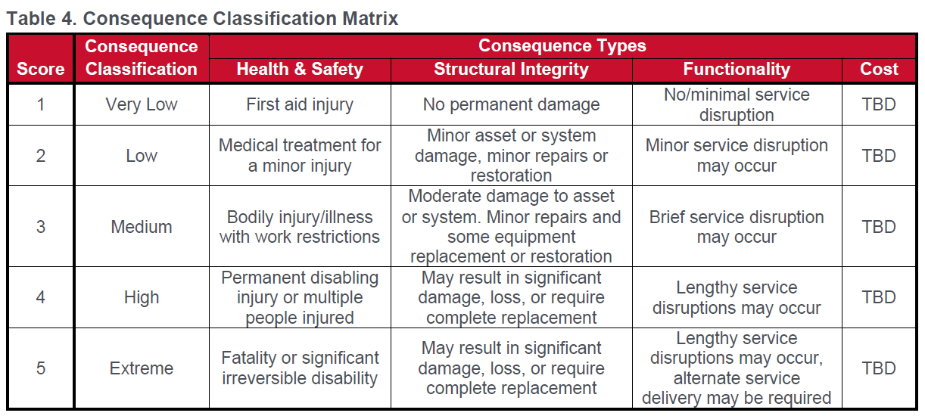 The suggested consequence rating scale is based on a qualitative assessment using the professional judgment of the assessment team, or assigned in a workshop with relevant operations and maintenance personnel in attendance. A scale of 1-5 is shown below (from the Climate Risk and Resilience Assessment Process, adapted from PIEVC High Level Screening Guide).

In assigning consequence ratings in Step 2, some Impact Categories may have components that are impacted differently by each hazard. Due to the limitation of the worksheet, only the highest impact is assigned a consequence rating. However, in Step 4, be sure to consider these different impacts in evaluating resilience strategies.
Climate Risk Screening Assessment Tool v1 2023-05-18

Design
